1. Title Page
Grocery Basket Analysis

Project Name: Instacart Grocery Basket Analysis
Date: 12/20/2024
Analyst Name: Sam Acosta

Contents:
Population Flow
Consistency checks
Wrangling steps
Column derivations
Visualizations
Recommendations

Data Sources
“The Instacart Online Grocery Shopping Dataset 2017”, Accessed from www.instacart.com/datasets/grocery-shopping-2017 via Kaggle on 12/11/2024.
Customer and Price Data has been fabricated for the purposes of this course

2. Population Flow
Title page

Population flow

Exclusion flag
Condition: max_order < 5
Obervations to be removed: 1,440,295
Final total count of order_products_complete: 30,964,564

Orders_products_combined
Orders_products_merged
Orders_products_all

Total: 32,404,859
Total: 32,434,489
Total: 32,404,859

1.) The grey boxes in the first row of the population flow represent the original data sets as they were when you downloaded them. In the Total fields you need to add the count of the rows when you imported the data set into Jupyter.
2.) The second row of boxes (coloured) represents the data sets after you manipulated them, e.g., removed missing values and duplicates. In the Total fields you need to add the count of the rows after conducting these operations. This offers a visual oveview of how the data flows throughout the data consistency checks.
3.) The third row, where also the arrows are coloured, represents the merges you performed between the datasets. In the Total fields you need to add the count of the rows in the merged datasets, so that you end up with the final dataset (in the red box). Keep in mind the final dataset should be without exclusions (based on the exclusion flag).

3. Consistency checks
 |  |  |  | Title page
Consistency checks

Dataset | Missing values | Missing values treatment | Duplicates
orders | 206,209 (day_since_prior_order) | Flag Created | N/A
products | 16 (product name) | Removed | 5 (removed)
orders_products_prior | N/A | N/A | N/A
customers | 11,259 (first_name) | Left as is (data unnecessary) | N/A

4. Wrangling steps
 |  |  |  | Title page
Wrangling steps

Columns dropped | Columns renamed | Columns' type changed | Comment/Reason
eval_set |  |  | Not Necessary
 | order_dow -> orders_day_of_week |  | Made column name clearer
 |  | order_id | Changed from int to string (is used as identifier)
 |  | user_id | Changed from int to string (is used as identifier)
 |  | product_id | Changed from int to string (is used as identifier)
 | First Name -> first_name |  | Followed Column Naming Conventions
 | Surnam -> last_name |  | Followed Column Naming Conventions
 | Gender -> gender |  | Followed Column Naming Conventions
 | STATE -> state |  | Followed Column Naming Conventions
 | Age -> age |  | Followed Column Naming Conventions
first_name |  |  | Done to protect PII
last_name |  |  | Done to protect PII

5. Column derivations
 |  |  |  | Title page

Column derivations and aggregations

In this tab you should add tables below that the frequences of flags/label variables that you produced after deriving them. NB: don't do this for continuous variables, only for flags.
Dataset | New column | Column/s it was derived from | Conditions
orders | days_since_prior_order_flag | days_since_prior_order | if days_since_prior_order not null, then 0 if days_since_prior_order null , then 1
ords_prods_all | price_range_loc | prices | if prices > 15, then 'High-Range product' if prices <= 15 AND price > 5, then 'Mid-Range product' if prices <= 5 , then 'Low-Range product'
ords_prods_all | busiest_day | order_day_of_week | if order_day_of_week = 0, then 'Busiest day' if order_day_of_week = 4, then 'Least busy' else 'Regularly busy'
ords_prods_all | busiest_days | order_day_of_week | if order_day_of_week = 0 OR 1, then 'busiest days' if order_day_of_week = 4 OR 3, then 'least busiest days' else 'regularly busy'
ords_prods_all | busiest_period_of_day | order_hour_of_day | if order_hour_of_day in [10,11,14], then 'Most orders' if order_hour_of_day in [3,4,2], then 'Fewest orders' else 'Average orders'
ords_prods_all | max_order | order_number, user_id | max(order_number) of user
ords_prods_all | loyalty_flag | max_order | if max_order > 40, then 'Loyal customer' if max_order <= 40 AND value > 10, then 'Regular customer' if max_order <= 10 , then 'New customer'
ords_prods_all | avg_price | prices, user_id | avg(prices) of user
ords_prods_all | spending_flag | avg_price | if avg_price < 10, then 'Low spender' if avg_price >= 10, then 'High spender'
ords_prods_all | days_since_prior_order_median | days_since_prior_order, user_id | median(days_since_prior_order) of user
ords_prods_all | frequency_flag | days_since_prior_order_median | if days_since_prior_order_median > 20, then 'Non-frequent customer' if days_since_prior_order_median <=20 AND value > 10, then 'Regular customer' if days_since_prior_order_median <= 10 , then 'Frequent customer'
ords_prods_all | region | state | region information in this Wikipedia article
ords_prods_complete | generation_flag | age | if age >= 18 AND value < 28, then 'Generation Z' if age >= 28 AND value < 44, then 'Generation Y' if age >= 44 AND value < 60, then 'Generation X' if age >= 60 AND value < 75, then 'Baby Boomer' if age >= 75 , then 'Silent Generation'
ords_prods_complete | income_flag | income | if income < 60,000, then 'Lower class' if income >= 60,000 AND value < 150000, then 'Middle class' if income >= 150,000 , then 'Upper class'
ords_prods_complete | dependant_flag | n_dependants | if n_dependants = 0, then 'No dependants' else 'Has dependants'

days_since_prior_order_flag | Count
0 | 30,328,763
1 | 2,076,096

price_range_loc | Count
Mid-range product | 21,860,860
Low-range product | 10,126,321
High-range product | 417,678

busiest_day | Count
Regularly busy | 22,416,875
Busiest day | 6,204,182
Least busy | 3,783,802

busiest_days | Count
Regularly busy | 12,916,111
Busiest days | 11,864,412
Least busiest days | 7,624,336

busiest_day_period_of_day | Count
Average orders | 24,043,925
Most orders | 8,187,036
Fewest orders | 173,898

loyalty_flag | Count
Regular customer | 15,876,776
Loyal customer | 10,284,093
New customer | 6,243,990

spending_flag | Count
Low spender | 31,770,614
High spender | 634,245

frequency_flag | Count
Frequent customer | 21,559,853
Regular customer | 7,208,564
Non-frequent customer | 3,636,437
NaN | 5

region | Count
South | 10,791,885
West | 8,292,913
Midwest | 7,597,325
Northeast | 5,722,736

generation_flag | Count
Generation X | 7,805,548
Generation Y | 7,729,031
Non-frequent customer | 7,161,875
Generation Z | 4,855,481
Silent Generation | 3,412,629

income_flag | Count
Middle class | 21,266,539
Upper class | 5,802,750
lower class | 3,895,275

dependant_flag | Count
Has dependant(s) | 31,770,614
No dependants | 634,245

6. Visualizations
 | Title page

Visualisations

In this tab you should include all the visualizations from Exercises 4.9 and 4.10, alongside the questions from the project brief that they answer. Include any commentary on the relationship between different variables.

Question 1
The sales team needs to know what the busiest days of the week and hours of the day are (i.e., the days and times with the most orders) in order to schedule ads at times when there are fewer orders.



Insight
The two busiest days are Saturday and Sunday. The two least busiest days are Tuesday and Wednesday. The peak hours of orders is in between 9:00 am and 3:00 pm. The time of day when there are the fewest orders is in between 12:00 am and 5:00 am

Question 2
They also want to know whether there are particular times of the day when people spend the most money, as this might inform the type of products they advertise at these times.
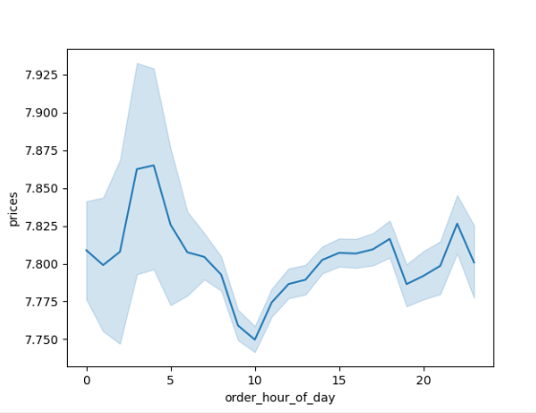

Insight
It appears that, on average, the most money is being spent per object at 4:00 and 5:00 am.

Question 3
Are there certain types of products that are more popular than others? The marketing and sales teams want to know which departments have the highest frequency of product orders.
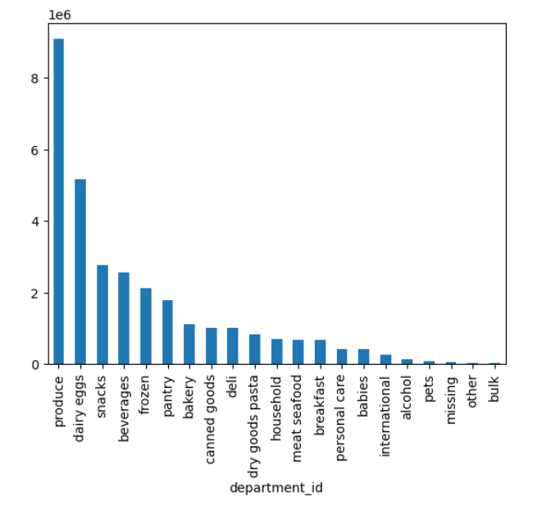

Insight
Produce is the most popular type of product by far. That is followed by Dairy/Eggs, snacks, and beverages

Question 4
What’s the distribution among users in regards to their brand loyalty (i.e., how often do they return to Instacart)?
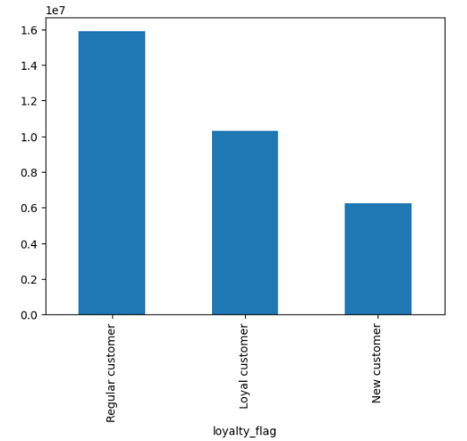
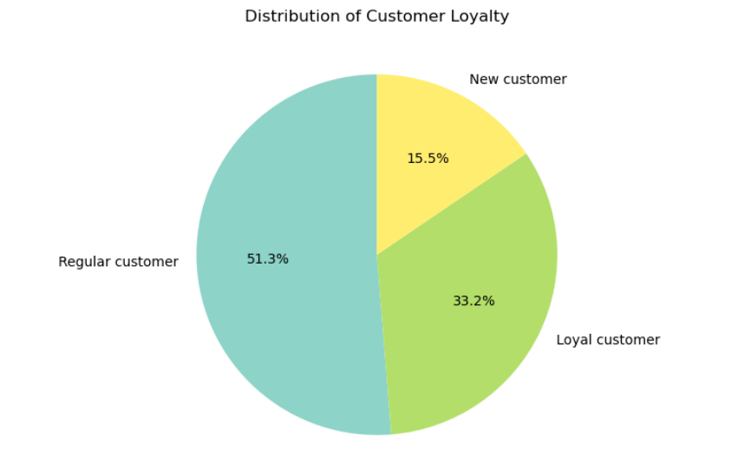
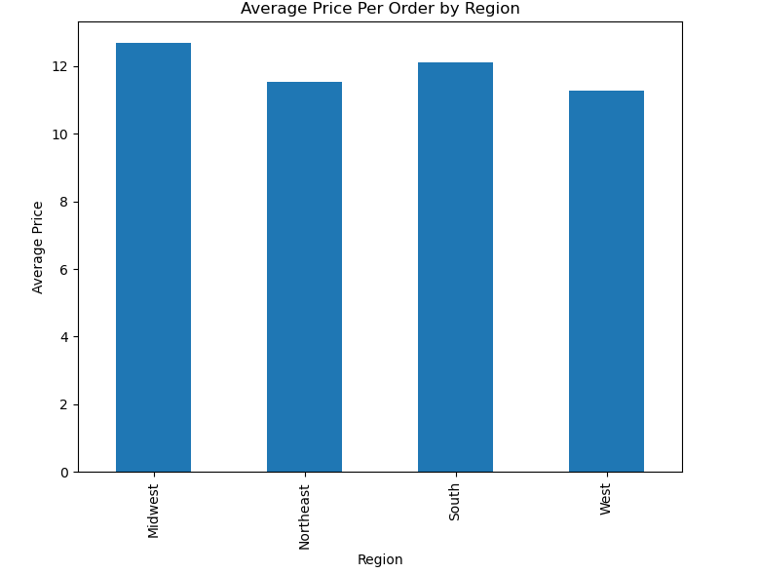

Insight
Most customers are labeled as Regular customer, followed by Loyal customers and the New customers.

Question 5
Are there differences in ordering habits based on a customer’s loyalty status?

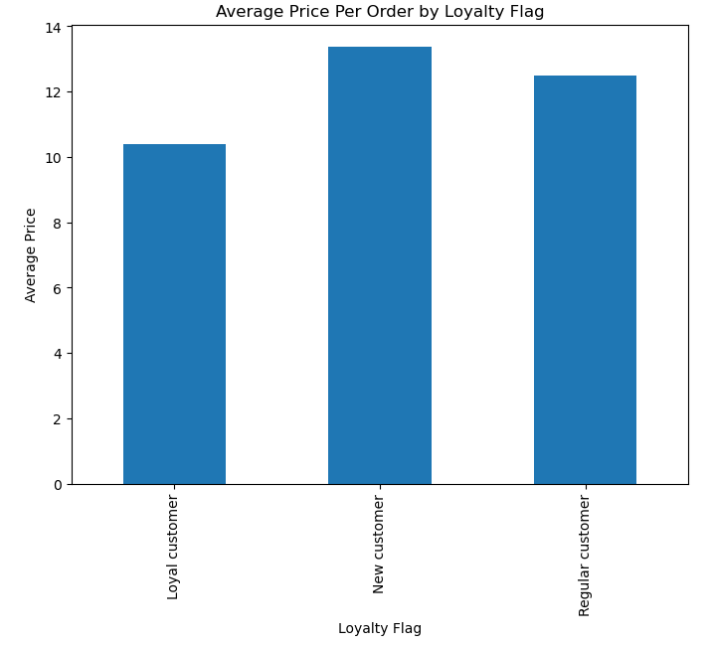
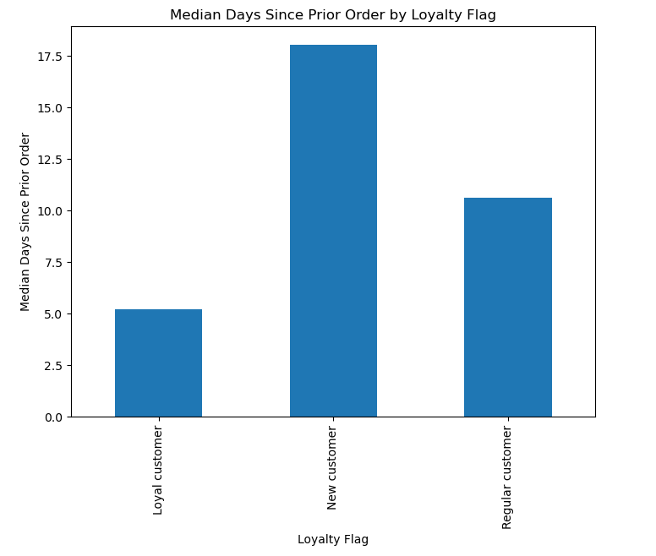

Insight
On average, Loyal customers spend the least per item, but go the fewest days in between orders. New customers spend the most per item, and go the longest between orders.

Question 6
Are there differences in ordering habits based on a customer’s region?

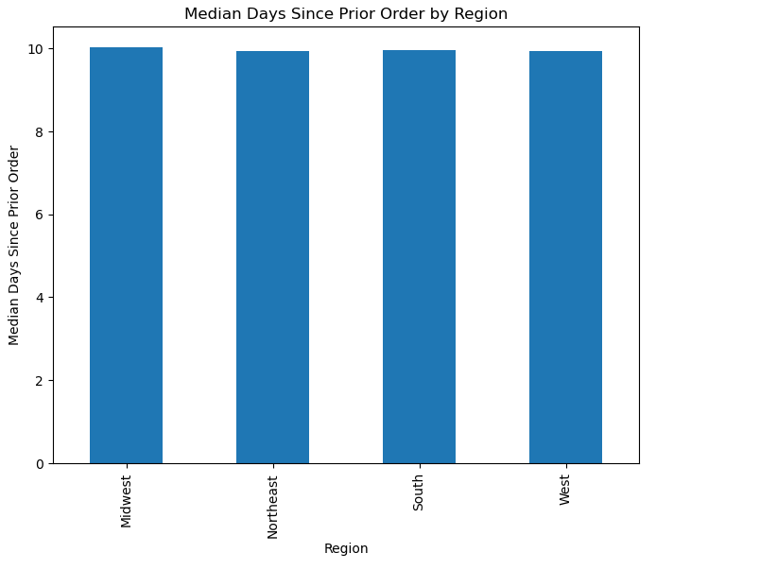

Insight
There is not clear difference in ordering across regions. Those in the Midwest and South do spend slightly more per order on average than those in the Northeast and the West

Question 7
Is there a connection between age and family status in terms of ordering habits?
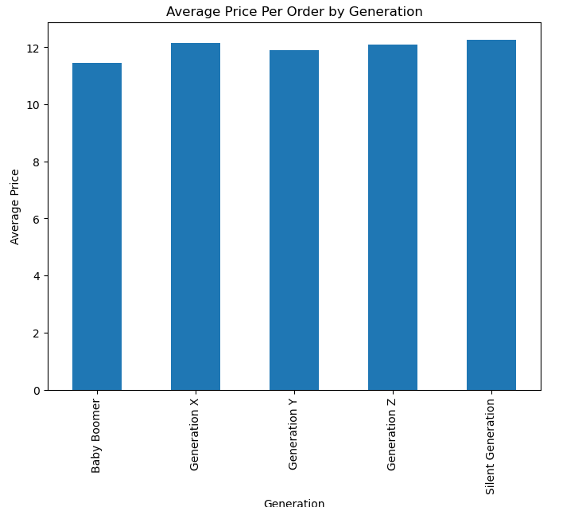
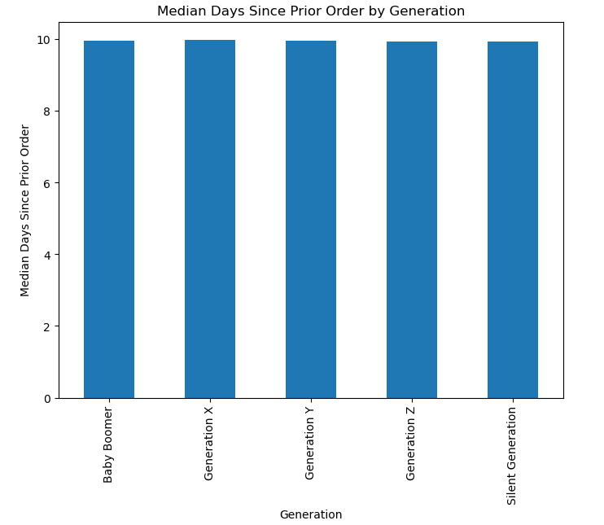

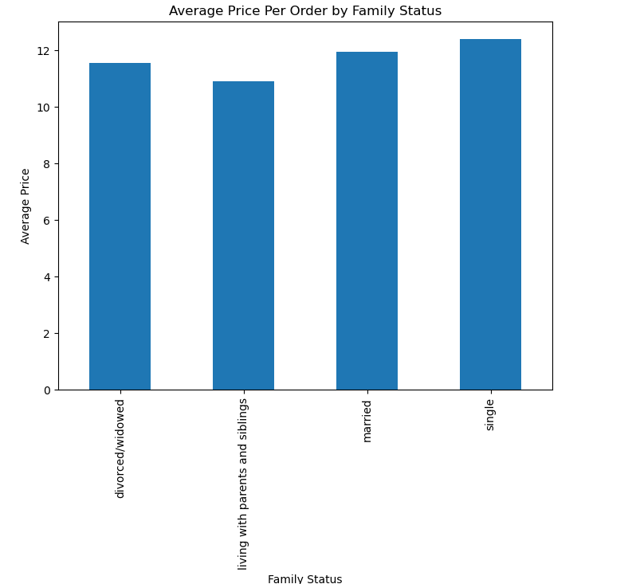
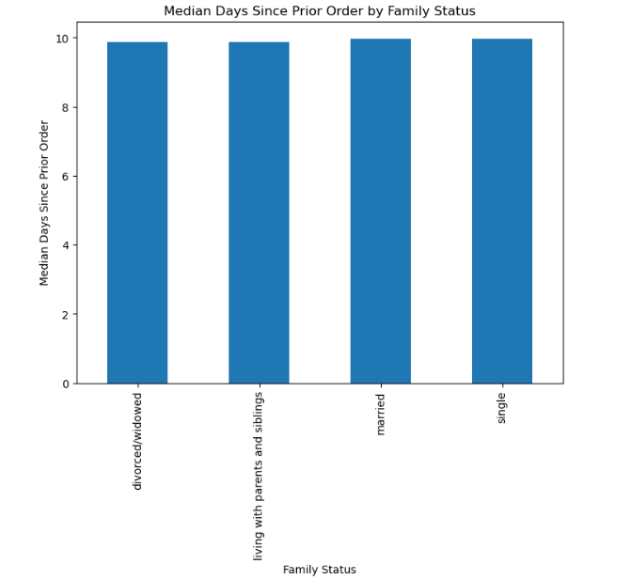

Insight
There is no clear connection between age and family status and their ordering habits

Question 8
What different classifications does the demographic information suggest? Age? Income? Certain types of goods? Family status?

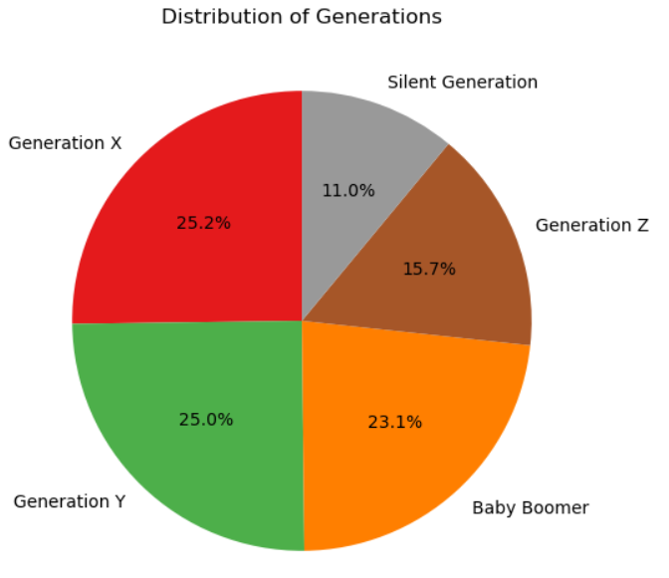
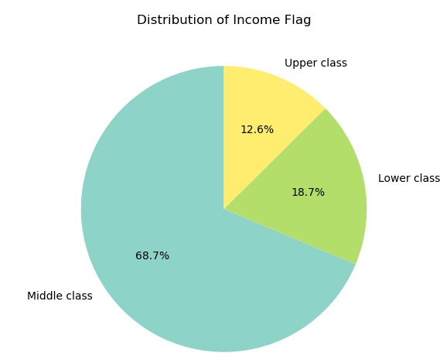
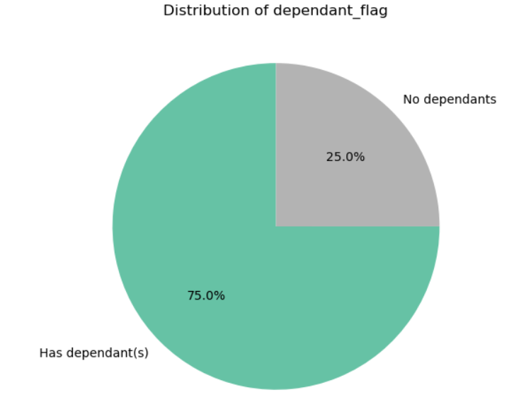

Insight
Each used has been assigned to a generation based on their age, an income bracket based on their income, and a dependant class based on whether or not they have dependants.

Question 9
What differences can you find in ordering habits of different customer profiles? Consider the price of orders, the frequency of orders, the products customers are ordering, and anything else you can think of.
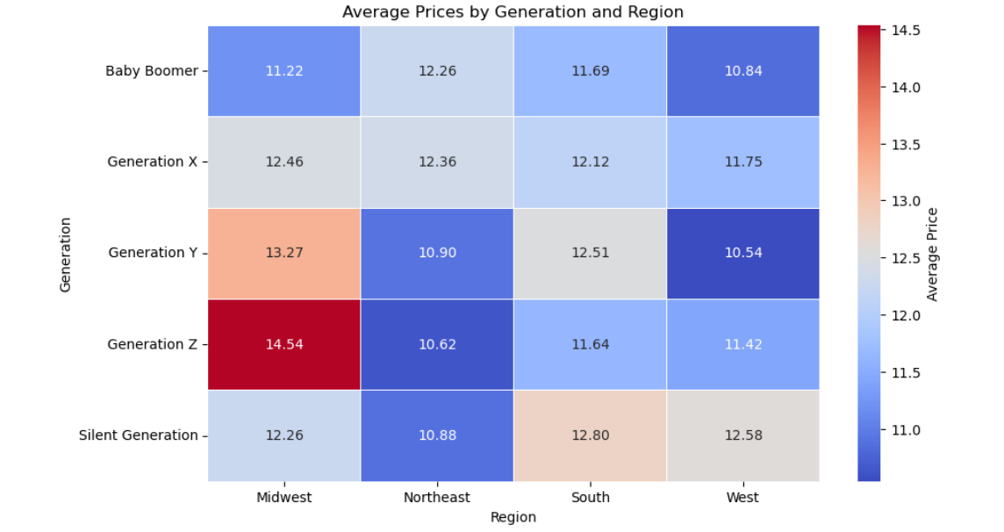
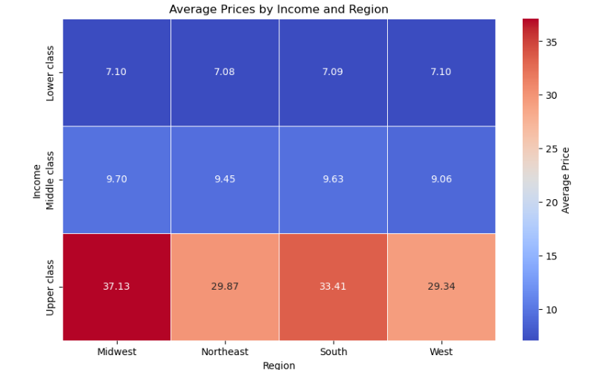

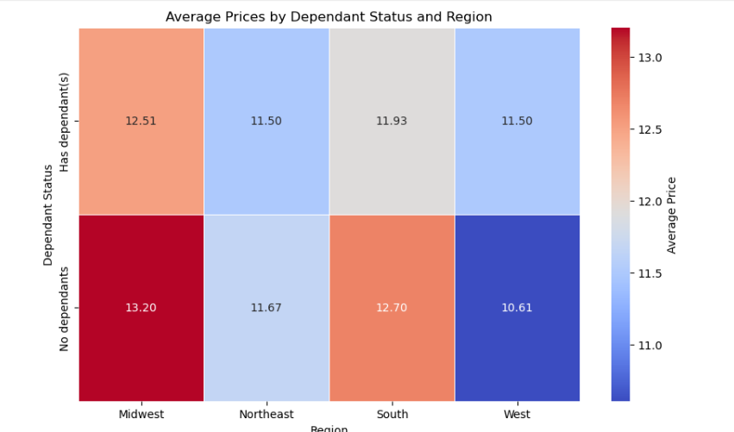

Insight
Each of the customer profiles was used in conjunction with a users region to perform a bivariate analysis determining the average price. Results are are gone into more detail in tab 7. Recommendations

7. Recommendations
 |  |  | Title page

Recommendations

In this tab you should include any recommendations you would made to Instcart in terms of their marketing strategy based on the questions posed in the brief. Every key question has been covered in the Tasks of the Exercises - here you need to add an item - a visualisation or table/crosstable that is showing the answer in the data, acompanied by a comment from you. Please, list the questions below and add the answer underneath.

# | Question | Answer
1 | The sales team needs to know what the busiest days of the week and hours of the day are (i.e., the days and times with the most orders) in order to schedule ads at times when there are fewer orders. | • The days with the fewest orders are Tuesday and Wednesday. • The time with the fewest orders are between 12:00 am and 5:00 am. • Realistically, most people are asleep at those times, so it is recommended that ads be played during the evening hours of 6:00 pm and 12:00 am, where the orders are not at their peak, and users are still awake.
2 | They also want to know whether there are particular times of the day when people spend the most money, as this might inform the type of products they advertise at these times. | • On average, users spend the most per product in the early hours of 4:00 and 5:00 am. • It is recommended that advertisements for expensive products are shown at this time, as it is a unique scenario where a relatively low amount of users are willing to spend more per order.
3 | Are there certain types of products that are more popular than others? The marketing and sales teams want to know which departments have the highest frequency of product orders. | • The top 3 selling departments are Produce, Dairy/Eggs, and Snacks. • The lowest selling departments are missing, other, and bulk. • It is recommended that Instacart continues to heavily advertise Produce, as it is the highest seller by far and earns the most out of all the categories.
4 | What’s the distribution among users in regards to their brand loyalty (i.e., how often do they return to Instacart)? | • 33.2 % of users are 'Loyal customers'. • 51.3% of users are 'Regular customers'. • 15.5 percent of users are 'New customers'.
5 | Are there differences in ordering habits based on a customer’s loyalty status? | • On average, Loyal customers spend the least per order, but also have the fewest days between orders. • New customers spend the most per order, but go the longest in between orders. • Loyal customers bring more money in to Instacart, so it is recommended that we advertise heavily to our Regular and New customers in order to turn them into Loyal customers.
6 | Are there differences in ordering habits based on a customer’s region? | • On the whole, there is not a distinct difference in ordering habits based on a customer's region. • However, there are some differences once we add a second variable, which will be answered in Question 9
7 | Is there a connection between age and family status in terms of ordering habits? | • On the whole, there is not a distinct difference in ordering habits based on a customer’s age and family status.
8 | What different classifications does the demographic information suggest? Age? Income? Certain types of goods? Family status? | • There have been 3 different classifications created, one based on age, one on income, and one on whether or not a user has dependants. • The descriptions for these classifications can be found in the 'Column derivations' section
9 | What differences can you find in ordering habits of different customer profiles? Consider the price of orders, the frequency of orders, the products customers are ordering, and anything else you can think of. | • Each customer variable, Generation, Income, and Dependant Status, was analysis in conjunction with region to determine the following • Generation: This analysis shows that Generation Z located in the Midwest spend much more on average than their fellow Gen Z users in other regions. Generation Y customers located in the West spent the least on average • Income: The analysis yielded the biggest discovery out of the three that were conducted. Upper-class customers spend, on average, over 3x as much per visit as middle-class and lower-class customers. This trend is consistent across all regions. If Instacart can attract more upper-class customers, they will surely see a rise in profits • Dependant Status: Customers with no dependants in the Midwest spent the most on average, while customers with no dependants located in the West spent the least on average.

